Sheet1
Name | Father's Name | Mother's Name | Class | Gander | Age | Date of Birth | Blood Group | Mobile Number | Village\Colony and Post office Name | District , State and Pincode | Photo of Student | Signature of Student
Arvind Kumar | Ambika Prasad | Prabhawati Devi | B. Tech(IT) | Male | 23 | 1999-03-15 | A+ | 7654059203 | Pannapur Naya Tola, Harsidhi | East Champaran, Bihar, 845422 | 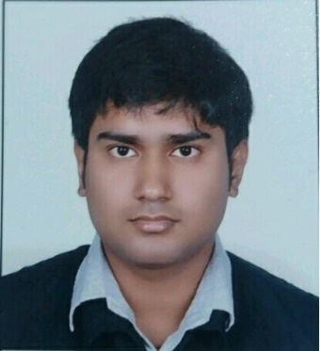 | 
Samar Mahato | Anil Mahato | Sumintra Mahato | B. Tech(IT) | Male | 22 | 2000-05-25 | B+ | 7864052186 | Islampur, Jagta | Utterdinkshpur, west bengal, 733202
Atul Kumar | Aryakant Jaint | Durgesh Devi | B. Tech(IT) | Male | 21 | 2001-02-07 | B+ | 8650412151 | Sikanderpur Kalan, Barsu | Muzaffarnagar, Uttar Pradesh, 251201
Pushkar Singh

